Sheet1
 |  |  | Graduation projects 2023
 | Project/Team name | Project short description | JIRA | Team lead |  | Backend dev | Frontend dev | QA
1 | Group 8 |  | Link | Vadim Balanciuc |  | Alexander Stopkin Andrii Golik Andrii Lytvyn Maksym Averkin Valentyna Kondrashenko Vadim Balanciuc | Andrii Golik Maksym Averkin Valentyna Kondrashenko Vadim Balanciuc | Alexander Stopkin Andrii Lytvyn | 6
2 | Group 4 | «ArtCake» | Link | Oleg Karimov | 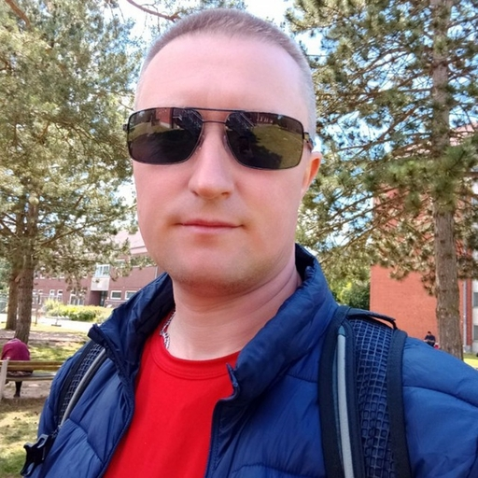 | Alexander Fursa Albina Arushanyan Dmytro Sainozhenko Volodymyr Perkun Raminata Litvinova Oleg Karimov | Abu-Bakar Musaev Alexander Fursa Albina Arushanian Oleg Karimov Irene Steitz | Edgar Arushanyan Ekaterina Zakozhurnikova Dmytro Sainozhenko | 9
3 | Group 6 | "Stay & Swap: Обмен Квартирами в Отпуске" | Link | Kononchuk Yehor |  | Yevhenii Skrebov Valentin Daines Sergei Fedotov Kira Schmidt | Eugen Borodin Kononchuk Yehor | Кaterina Zhilina Kateryna Kapustina Viacheslav Chekhachov | 9
4 | Group 5 | books sharing | Link | Dina Migunova |  | Alex Nesterov, Maryna Pogrebnyak, Elena Vdovina, Yana Tykhonenko | Arthur Doichev, Dina Migunova, Artem Shvidchenko | Lilia Bayeva, Elena Vdovina, Yana Tykhonenko | 8
5 | Group 7 |  | Link | Korney Saushkin |  | Korney Saushkin Roman Varanita | Dmitri Mandaji | Elena Sergienko | 4

